Tabelle1
 |  |  |  |  |  |  |  | 15579 |  | 276,262.93 €
 | Brand | Class of goods | Article Name | Article No. | Color Code | Color Name | Size | Qty | RRP | Total RRP | EAN | Weight | Tariff Nr. | Material | Coo | Saison
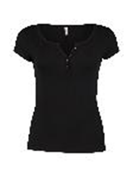 | Hailys | 121130 t-shirt 1/2 | Modell: SS V TP Henna | APP-1908075-1 | 90001 | black | L | 6 | 9.99 € | 59.94 € | 4063942371610 | 0.119 | 61099020000 | 95%Viscose,5%Elastane | Bangladesch | NOS
 | Hailys | 121130 t-shirt 1/2 | Modell: SS V TP Henna | APP-1908075-1 | 55000 | khaki | XS | 1 | 8.99 € | 8.99 € | 4063942371641 | 0.123 | 61099020000 | 95%Viscose,5%Elastane | Bangladesch | NOS
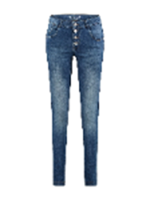 | Zabaione | 121420 jeans | Modell: Jeans Kim | ARE-601-0018 | 62100 | denim | 44 | 6 | 59.99 € | 359.94 € | 4063942005362 | 0.513 | 62046231900 | 98%Cotton,2%Elastane | Türkei | NOS
 | Zabaione | 121420 jeans | Modell: Jeans Kim | ARE-601-0018 | 62100 | denim | 40 | 12 | 59.99 € | 719.88 € | 4063942005348 | 0.513 | 62046231900 | 98%Cotton,2%Elastane | Türkei | NOS
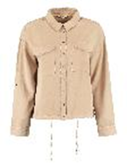
 | Zabaione | 120520 blouson | Modell: Blouse Naomi | BAT-451-0022 | 20000 | beige | L | 14 | 39.99 € | 559.86 € | 4063942702131 | 0.413 | 61062000000 | 100% Lyocell | China | F/S
 | Zabaione | 120520 blouson | Modell: Blouse Naomi | BAT-451-0022 | 20000 | beige | M | 14 | 39.99 € | 559.86 € | 4063942702124 | 0.413 | 61062000000 | 100% Lyocell | China | F/S
 | Zabaione | 120520 blouson | Modell: Blouse Naomi | BAT-451-0022 | 20000 | beige | S | 7 | 39.99 € | 279.93 € | 4063942702117 | 0.413 | 61062000000 | 100% Lyocell | China | F/S
 | Zabaione | 120520 blouson | Modell: Blouse Naomi | BAT-451-0022 | 20000 | beige | XL | 14 | 39.99 € | 559.86 € | 4063942702148 | 0.413 | 61062000000 | 100% Lyocell | China | F/S
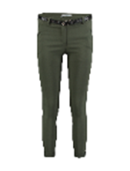
 | Zabaione | 120520 blouson | Modell: Blouse Naomi | BAT-451-0022 | 20000 | beige | XXL | 7 | 39.99 € | 279.93 € | 4063942702155 | 0.413 | 61062000000 | 100% Lyocell | China | F/S
 | Hailys | 121415 pants | Modell: LG V TR Mandy | BFA-6062-SS-A | 55000 | khaki | L | 9 | 24.99 € | 224.91 € | 4063942904474 | 0.315 | 61046300000 | 75%Viscose,22%Nylon,3%Elastane | Italien | NOS
 | Hailys | 121415 pants | Modell: LG V TR Mandy | BFA-6062-SS-A | 55000 | khaki | M | 9 | 24.99 € | 224.91 € | 4063942904467 | 0.315 | 61046300000 | 75%Viscose,22%Nylon,3%Elastane | Italien | NOS
 | Hailys | 121415 pants | Modell: LG V TR Mandy | BFA-6062-SS-A | 55000 | khaki | S | 6 | 24.99 € | 149.94 € | 4063942904450 | 0.315 | 61046300000 | 75%Viscose,22%Nylon,3%Elastane | Italien | NOS
 | Hailys | 121415 pants | Modell: LG V TR Mandy | BFA-6062-SS-A | 55000 | khaki | XL | 3 | 24.99 € | 74.97 € | 4063942904481 | 0.315 | 61046300000 | 75%Viscose,22%Nylon,3%Elastane | Italien | NOS
 | Hailys | 121415 pants | Modell: LG V TR Mandy | BFA-6062-SS-A | 55000 | khaki | XS | 3 | 24.99 € | 74.97 € | 4063942904443 | 0.315 | 61046300000 | 75%Viscose,22%Nylon,3%Elastane | Italien | NOS
 | Hailys | 121415 pants | Modell: LG V TR Mandy | BFA-6062-SS-A | 55000 | khaki | XXL | 3 | 24.99 € | 74.97 € | 4063942904498 | 0.315 | 61046300000 | 75%Viscose,22%Nylon,3%Elastane | Italien | NOS
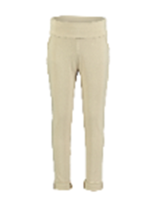 | Hailys | 121415 pants | Modell: LG V LG Sina | BFA-6066-SS | 20000 | beige | XXL | 7 | 19.99 € | 139.93 € | 4063942590851 | 0.275 | 61046300000 | 75%Viscose,20%Polyamid,5%Elastane | Italien | NOS
 | Hailys | 121415 pants | Modell: LG V LG Sina | BFA-6066-SS | 20000 | beige | L | 3 | 19.99 € | 59.97 € | 4063942590837 | 0.275 | 61046300000 | 75%Viscose,20%Polyamid,5%Elastane | Italien | NOS
 | Hailys | 121415 pants | Modell: LG V LG Sina | BFA-6066-SS | 20000 | beige | XS | 6 | 19.99 € | 119.94 € | 4063942590806 | 0.275 | 61046300000 | 75%Viscose,20%Polyamid,5%Elastane | Italien | NOS
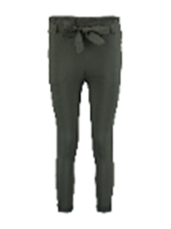 | Hailys | 121415 pants | Modell: LG V TR Bengi | BFA-6698-SS | 55200 | dkhaki | S | 6 | 24.99 € | 149.94 € | 4063942670751 | 0.322 | 61046300000 | 77%Viscose,20%Nylon,3%Elastane | Italien | NOS
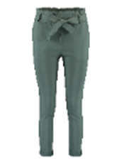 | Hailys | 121415 pants | Modell: LG V TR Bengi | BFA-6698-SS-A | 55000 | khaki | XXL | 8 | 24.99 € | 199.92 € | 4063942904160 | 0.368 | 61046300000 | 77%Viscose,20%Nylon,3%Elastane | Italien | NOS
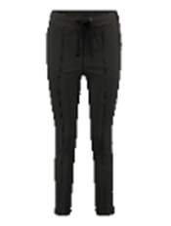 | Hailys | 121415 pants | Modell: LG V TR Maggie | BFA-9044-SS | 55200 | dkhaki | XXL | 6 | 22.99 € | 137.94 € | 4063942671727 | 0.268 | 61046900100 | 75%Viscose,22%Nylon,3%Elastane | Italien | NOS
 | Hailys | 121415 pants | Modell: LG V TR Maggie | BFA-9044-SS | 55200 | dkhaki | XS | 5 | 22.99 € | 114.95 € | 4063942671673 | 0.268 | 61046900100 | 75%Viscose,22%Nylon,3%Elastane | Italien | NOS
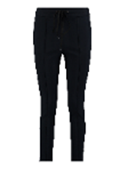 | Hailys | 121415 pants | Modell: LG V TR Maggie | BFA-9044-SS | 63100 | navy | XXL | 1 | 22.99 € | 22.99 € | 4063942671666 | 0.255 | 61046900100 | 77%Viscose,20%Polyester,3%Elastane | Italien | NOS
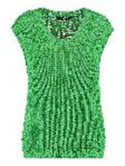 | Zabaione | 121015 pullover 1/2 | Modell: Pullunder Ava | BK-115-075 | 1000136 | grass green | L/XL | 26 | 37.99 € | 987.74 € | 4067218040804 | 0.284 | 61103099000 | 100% Polyacryl | Italien | F/S
 | Zabaione | 121015 pullover 1/2 | Modell: Pullunder Ava | BK-115-075 | 1000136 | grass green | M/L | 39 | 37.99 € | 1,481.61 € | 4067218040798 | 0.284 | 61103099000 | 100% Polyacryl | Italien | F/S
 | Zabaione | 121015 pullover 1/2 | Modell: Pullunder Ava | BK-115-075 | 1000136 | grass green | S/M | 39 | 37.99 € | 1,481.61 € | 4067218040781 | 0.284 | 61103099000 | 100% Polyacryl | Italien | F/S
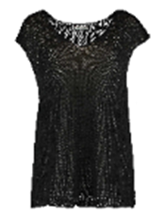 | Zabaione | 121015 pullover 1/2 | Modell: Pullunder Ava | BK-115-075 | 90001 | black | L/XL | 42 | 37.99 € | 1,595.58 € | 4063942932590 | 0.38 | 61103099000 | 100% Polyacryl | Italien | F/S
 | Zabaione | 121015 pullover 1/2 | Modell: Pullunder Ava | BK-115-075 | 90001 | black | M/L | 63 | 37.99 € | 2,393.37 € | 4063942932583 | 0.38 | 61103099000 | 100% Polyacryl | Italien | F/S
 | Zabaione | 121015 pullover 1/2 | Modell: Pullunder Ava | BK-115-075 | 90001 | black | S/M | 63 | 37.99 € | 2,393.37 € | 4063942932576 | 0.38 | 61103099000 | 100% Polyacryl | Italien | F/S
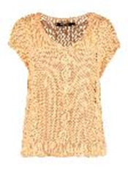 | Zabaione | 121015 pullover 1/2 | Modell: Pullunder Liva | BK-115-076 | 36003 | peach | L/XL | 20 | 37.99 € | 759.80 € | 4063942994222 | 0.288 | 61102099000 | 50%Cotton,50%Polyacryl | Italien | F/S
 | Zabaione | 121015 pullover 1/2 | Modell: Pullunder Liva | BK-115-076 | 36003 | peach | M/L | 30 | 37.99 € | 1,139.70 € | 4063942994215 | 0.288 | 61102099000 | 50%Cotton,50%Polyacryl | Italien | F/S
 | Zabaione | 121015 pullover 1/2 | Modell: Pullunder Liva | BK-115-076 | 36003 | peach | S/M | 30 | 37.99 € | 1,139.70 € | 4063942994208 | 0.288 | 61102099000 | 50%Cotton,50%Polyacryl | Italien | F/S
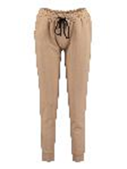 | Zabaione | 121415 pants | Modell: Pants Palina | BK-119-183 | 20000 | beige | L | 4 | 22.99 € | 91.96 € | 4063942737317 | 0.285 | 62046239900 | 95%Cotton,5%Elastane | Italien | H/W
 | Zabaione | 121415 pants | Modell: Pants Palina | BK-119-183 | 20000 | beige | M | 4 | 22.99 € | 91.96 € | 4063942737300 | 0.285 | 62046239900 | 95%Cotton,5%Elastane | Italien | H/W
 | Zabaione | 121415 pants | Modell: Pants Palina | BK-119-183 | 20000 | beige | S | 2 | 22.99 € | 45.98 € | 4063942737294 | 0.285 | 62046239900 | 95%Cotton,5%Elastane | Italien | H/W
 | Zabaione | 121415 pants | Modell: Pants Palina | BK-119-183 | 20000 | beige | XL | 4 | 22.99 € | 91.96 € | 4063942737324 | 0.285 | 62046239900 | 95%Cotton,5%Elastane | Italien | H/W
 | Zabaione | 121415 pants | Modell: Pants Palina | BK-119-183 | 20000 | beige | XXL | 2 | 22.99 € | 45.98 € | 4063942737331 | 0.285 | 62046239900 | 95%Cotton,5%Elastane | Italien | H/W
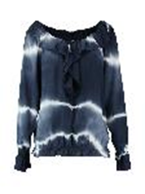 | Zabaione | 121220 blouse 1/1 | Modell: Blouse Kila | BK-120-154 | 63100 | navy | L | 2 | 29.99 € | 59.98 € | 4063942319414 | 0.181 | 61062000000 | 100% Viscose | Italien | H/W
 | Zabaione | 121220 blouse 1/1 | Modell: Blouse Kila | BK-120-154 | 63100 | navy | M | 2 | 29.99 € | 59.98 € | 4063942319407 | 0.181 | 61062000000 | 100% Viscose | Italien | H/W
 | Zabaione | 121220 blouse 1/1 | Modell: Blouse Kila | BK-120-154 | 63100 | navy | S | 1 | 29.99 € | 29.99 € | 4063942319391 | 0.181 | 61062000000 | 100% Viscose | Italien | H/W
 | Zabaione | 121220 blouse 1/1 | Modell: Blouse Kila | BK-120-154 | 63100 | navy | XL | 2 | 29.99 € | 59.98 € | 4063942319421 | 0.181 | 61062000000 | 100% Viscose | Italien | H/W
 | Zabaione | 121220 blouse 1/1 | Modell: Blouse Kila | BK-120-154 | 63100 | navy | XXL | 1 | 29.99 € | 29.99 € | 4063942319438 | 0.181 | 61062000000 | 100% Viscose | Italien | H/W
 | Hailys SoPro | 121420 jeans | Modell: LG C JN Sina | GH-FA1807020 | 998457 | grey stripes | XS | 54 | 19.99 € | 1,079.46 € | 4063942075051 | 0.332 | 62046231900 | 58%Cotton,38%Polyester,2%Elastane,2%Viscose | China | F/S
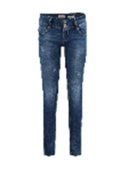 | Hailys | 121420 jeans | Modell: LG LW C JN Camila | GU-L205-1 | 63000 | dblue | XS | 11 | 39.99 € | 439.89 € | 4063942514376 | 0.509 | 62046231900 | 75%Cotton,22%Polyester,2%Elastane,1%Viscose | China | NOS
 | Hailys | 121420 jeans | Modell: LG LW C JN Camila | GU-L205 | 63000 | dblue | XL+ | 78 | 39.99 € | 3,119.22 € | 4057118352152 | 0.491 | 62046231900 | 75%Cotton,22%Polyester,2%Elastane,1%Viscose | China | NOS
 | Hailys | 121420 jeans | Modell: LG LW C JN Camila | GU-L205 | 63000 | dblue | L | 139 | 39.99 € | 5,558.61 € | 4057118352138 | 0.491 | 62046231900 | 75%Cotton,22%Polyester,2%Elastane,1%Viscose | China | NOS
 | Hailys | 121420 jeans | Modell: LG LW C JN Camila | GU-L205 | 63000 | dblue | L | 113 | 39.99 € | 4,518.87 € | 4057118352138 | 0.491 | 62046231900 | 75%Cotton,22%Polyester,2%Elastane,1%Viscose | China | NOS
 | Hailys | 121420 jeans | Modell: LG LW C JN Camila | GU-L205 | 63000 | dblue | M | 57 | 39.99 € | 2,279.43 € | 4057118352121 | 0.491 | 62046231900 | 75%Cotton,22%Polyester,2%Elastane,1%Viscose | China | NOS
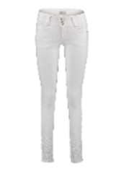 | Hailys | 121420 jeans | Modell: LG LW C JN Camila | GU-L205 | 10001 | white | XS | 8 | 39.99 € | 319.92 € | 4063942010168 | 0.392 | 62046231900 | 75%Cotton,22%Polyester,2%Elastane,1%Viscose | China | NOS
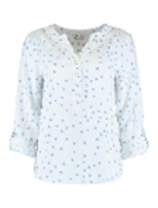 | Zabaione | 121220 blouse 1/1 | Modell: Blouse Annabelle | JX-301-0052 | 62000 | mblue | XL | 73 | 24.99 € | 1,824.27 € | 4063942769547 | 0.242 | 62064000000 | 100% Viscose | China | NOS
 | Zabaione | 121220 blouse 1/1 | Modell: Blouse Annabelle | JX-301-0052 | 62000 | mblue | L | 51 | 24.99 € | 1,274.49 € | 4063942769530 | 0.242 | 62064000000 | 100% Viscose | China | NOS
 | Zabaione | 121220 blouse 1/1 | Modell: Blouse Annabelle | JX-301-0052 | 62000 | mblue | M | 51 | 24.99 € | 1,274.49 € | 4063942769523 | 0.242 | 62064000000 | 100% Viscose | China | NOS
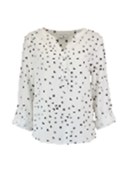 | Zabaione | 121220 blouse 1/1 | Modell: Blouse Annabelle | JX-301-0052 | 12000 | offwhite | XL | 80 | 24.99 € | 1,999.20 € | 4063942769493 | 0.242 | 62064000000 | 100% Viscose | China | NOS
 | Zabaione | 121220 blouse 1/1 | Modell: Blouse Annabelle | JX-301-0052 | 12000 | offwhite | L | 47 | 24.99 € | 1,174.53 € | 4063942769486 | 0.242 | 62064000000 | 100% Viscose | China | NOS
 | Zabaione | 121220 blouse 1/1 | Modell: Blouse Annabelle | JX-301-0052 | 12000 | offwhite | M | 24 | 24.99 € | 599.76 € | 4063942769479 | 0.242 | 62064000000 | 100% Viscose | China | NOS
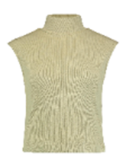
 | Hailys | 121135 top | Modell: SL C TP Alina | JY-10866 | 20000 | beige | L | 3 | 15.99 € | 47.97 € | 4063942662343 | 0.137 | 61091000100 | 95%Cotton,5%Elastane | Italien | H/W
 | Hailys | 121135 top | Modell: SL C TP Alina | JY-10866 | 20000 | beige | M | 3 | 15.99 € | 47.97 € | 4063942662336 | 0.137 | 61091000100 | 95%Cotton,5%Elastane | Italien | H/W
 | Hailys | 121135 top | Modell: SL C TP Alina | JY-10866 | 20000 | beige | S | 2 | 15.99 € | 31.98 € | 4063942662329 | 0.137 | 61091000100 | 95%Cotton,5%Elastane | Italien | H/W
 | Hailys | 121135 top | Modell: SL C TP Alina | JY-10866 | 20000 | beige | XL | 1 | 15.99 € | 15.99 € | 4063942662350 | 0.137 | 61091000100 | 95%Cotton,5%Elastane | Italien | H/W
 | Hailys | 121135 top | Modell: SL C TP Alina | JY-10866 | 20000 | beige | XS | 1 | 15.99 € | 15.99 € | 4063942662312 | 0.137 | 61091000100 | 95%Cotton,5%Elastane | Italien | H/W
 | Hailys | 121135 top | Modell: SL C TP Alina | JY-10866 | 20000 | beige | XXL | 1 | 15.99 € | 15.99 € | 4063942662367 | 0.137 | 61091000100 | 95%Cotton,5%Elastane | Italien | H/W
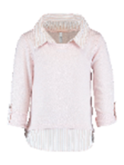 | Haily´s Teens | 130335 t-shirt 1/1 | Modell: LS P TP Linda | KY-1702039-1A-T | 41235 | rose marl | 134/140 | 42 | 17.99 € | 755.58 € | 4063942727400 | 0.191 | 61103099000 | 95%Polyester,5%Elastan | China | F/S
 | Haily´s Teens | 130335 t-shirt 1/1 | Modell: LS P TP Linda | KY-1702039-1A-T | 41235 | rose marl | 146/152 | 42 | 17.99 € | 755.58 € | 4063942727417 | 0.191 | 61103099000 | 95%Polyester,5%Elastan | China | F/S
 | Haily´s Teens | 130335 t-shirt 1/1 | Modell: LS P TP Linda | KY-1702039-1A-T | 41235 | rose marl | 158/164 | 42 | 17.99 € | 755.58 € | 4063942727424 | 0.191 | 61103099000 | 95%Polyester,5%Elastan | China | F/S
 | Haily´s Teens | 130335 t-shirt 1/1 | Modell: LS P TP Linda | KY-1702039-1A-T | 41235 | rose marl | 170/176 | 14 | 17.99 € | 251.86 € | 4063942727431 | 0.191 | 61103099000 | 95%Polyester,5%Elastan | China | F/S
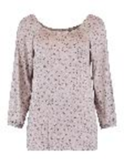 | Zabaione | 121125 t-shirt 1/1 | Modell: Shirt Plum | LP-201-0130 | 1000082 | p taupe | L | 22 | 19.99 € | 439.78 € | 4063942747934 | 0.198 | 61103099000 | 95%Viscose,5%Elastane | China | F/S
 | Zabaione | 121125 t-shirt 1/1 | Modell: Shirt Plum | LP-201-0130 | 1000082 | p taupe | M | 22 | 19.99 € | 439.78 € | 4063942747927 | 0.198 | 61103099000 | 95%Viscose,5%Elastane | China | F/S
 | Zabaione | 121125 t-shirt 1/1 | Modell: Shirt Plum | LP-201-0130 | 1000082 | p taupe | S | 11 | 19.99 € | 219.89 € | 4063942747910 | 0.198 | 61103099000 | 95%Viscose,5%Elastane | China | F/S
 | Zabaione | 121125 t-shirt 1/1 | Modell: Shirt Plum | LP-201-0130 | 1000082 | p taupe | XL | 22 | 19.99 € | 439.78 € | 4063942747941 | 0.198 | 61103099000 | 95%Viscose,5%Elastane | China | F/S
 | Zabaione | 121125 t-shirt 1/1 | Modell: Shirt Plum | LP-201-0130 | 1000082 | p taupe | XXL | 11 | 19.99 € | 219.89 € | 4063942747958 | 0.198 | 61103099000 | 95%Viscose,5%Elastane | China | F/S
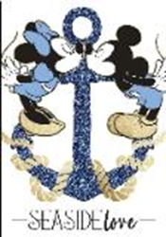 | Private Label (see notes) | 121130 t-shirt 1/2 | D-Shirt Marie | MS126-065 | 10001 | white | XL | 1 | 24.95 € | 24.95 € | 4064065131716 | 0.141 | 61099020000 | 65%Polyester,35%Viscose | Türkei | F/S
 | Private Label (see notes) | 121130 t-shirt 1/2 | D-Shirt Marie | MS126-065 | 10001 | white | M | 1 | 24.95 € | 24.95 € | 4064065131693 | 0.141 | 61099020000 | 65%Polyester,35%Viscose | Türkei | F/S
 | Private Label (see notes) | 121130 t-shirt 1/2 | D-Shirt Marie | MS126-065 | 10001 | white | S | 1 | 24.95 € | 24.95 € | 4064065131686 | 0.141 | 61099020000 | 65%Polyester,35%Viscose | Türkei | F/S
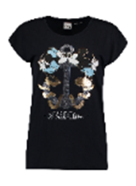 | Private Label (see notes) | 121130 t-shirt 1/2 | D-Shirt Marie | MS126-065 | 63100 | navy | XL | 1 | 24.95 € | 24.95 € | 4064065131761 | 0.143 | 61099020000 | 65%Polyester,35%Viscose | Türkei | F/S
 | Private Label (see notes) | 121130 t-shirt 1/2 | D-Shirt Marie | MS126-065 | 63100 | navy | S | 2 | 24.95 € | 49.90 € | 4064065131730 | 0.143 | 61099020000 | 65%Polyester,35%Viscose | Türkei | F/S
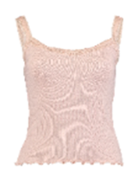 | Hailys | 121140 top | Modell: CM V TP Liz | ND-1906018 | 41200 | rose | L | 5 | 9.99 € | 49.95 € | 4060589947260 | 0.106 | 61099020000 | 97%Viscose,3%Elastane | Bangladesch | NOS
 | Private Label (see notes) | 121415 pants | LG V TR Roxy | ND-EL0916615 | 74001 | hazel | L | 3 | 19.99 € | 59.97 € | 4063942065939 | 0.2 | 62046918900 | 100% Viscose | Bangladesch | F/S
 | Private Label (see notes) | 121415 pants | LG V TR Roxy | ND-EL0916615 | 74001 | hazel | M | 3 | 19.99 € | 59.97 € | 4063942065922 | 0.2 | 62046918900 | 100% Viscose | Bangladesch | F/S
 | Private Label (see notes) | 121415 pants | LG V TR Roxy | ND-EL0916615 | 74001 | hazel | S | 2 | 19.99 € | 39.98 € | 4063942065915 | 0.2 | 62046918900 | 100% Viscose | Bangladesch | F/S
 | Private Label (see notes) | 121415 pants | LG V TR Roxy | ND-EL0916615 | 74001 | hazel | XL | 1 | 19.99 € | 19.99 € | 4063942065946 | 0.2 | 62046918900 | 100% Viscose | Bangladesch | F/S
 | Private Label (see notes) | 121415 pants | LG V TR Roxy | ND-EL0916615 | 74001 | hazel | XS | 1 | 19.99 € | 19.99 € | 4063942065908 | 0.2 | 62046918900 | 100% Viscose | Bangladesch | F/S
 | Private Label (see notes) | 121415 pants | LG V TR Roxy | ND-EL0916615 | 74001 | hazel | XXL | 1 | 19.99 € | 19.99 € | 4063942065953 | 0.2 | 62046918900 | 100% Viscose | Bangladesch | F/S
 | Hailys SoPro | 121130 t-shirt 1/2 | Modell: 3/4 V TP Lisa | NO-GE0616173No.2515 | 12000 | offwhite | L | 1 | 89.95 € | 89.95 € | 7322443496626 | 0.167 | 61103099000 | 54%Polyester,40%Viscose,6%Elastane | China | F/S
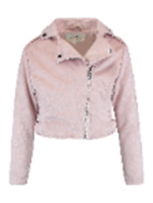 | Haily´s Teens | 130120 jacket | Modell: LS P JK Vera | NX-1906038-1-T | 41200 | rose | 134/140 | 6 | 44.99 € | 269.94 € | 4063942727325 | 0.435 | 62043390000 | 95%Polyester,5%Elastan | China | F/S
 | Haily´s Teens | 130120 jacket | Modell: LS P JK Vera | NX-1906038-1-T | 41200 | rose | 146/152 | 6 | 44.99 € | 269.94 € | 4063942727332 | 0.435 | 62043390000 | 95%Polyester,5%Elastan | China | F/S
 | Haily´s Teens | 130120 jacket | Modell: LS P JK Vera | NX-1906038-1-T | 41200 | rose | 158/164 | 6 | 44.99 € | 269.94 € | 4063942727349 | 0.435 | 62043390000 | 95%Polyester,5%Elastan | China | F/S
 | Haily´s Teens | 130120 jacket | Modell: LS P JK Vera | NX-1906038-1-T | 41200 | rose | 170/176 | 2 | 44.99 € | 89.98 € | 4063942727356 | 0.435 | 62043390000 | 95%Polyester,5%Elastan | China | F/S
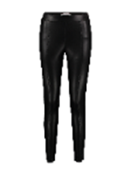
 | Private Label (see notes) | 121415 pants | LG PU TR Dena | NX-SB21109033 | 90001 | black | XXL | 50 | 29.99 € | 1,499.50 € | 4063942585789 | 0.36 | 39262000000 | 100%Polyester, coating:100%Polyurethane | China | H/W
 | Private Label (see notes) | 121415 pants | LG PU TR Dena | NX-SB21109033 | 90001 | black | XL | 39 | 29.99 € | 1,169.61 € | 4063942585772 | 0.36 | 39262000000 | 100%Polyester, coating:100%Polyurethane | China | H/W
 | Private Label (see notes) | 121415 pants | LG PU TR Dena | NX-SB21109033 | 90001 | black | L | 131 | 29.99 € | 3,928.69 € | 4063942585765 | 0.36 | 39262000000 | 100%Polyester, coating:100%Polyurethane | China | H/W
 | Private Label (see notes) | 121415 pants | LG PU TR Dena | NX-SB21109033 | 90001 | black | M | 111 | 29.99 € | 3,328.89 € | 4063942585758 | 0.36 | 39262000000 | 100%Polyester, coating:100%Polyurethane | China | H/W
 | Private Label (see notes) | 121415 pants | LG PU TR Dena | NX-SB21109033 | 90001 | black | S | 80 | 29.99 € | 2,399.20 € | 4063942585741 | 0.36 | 39262000000 | 100%Polyester, coating:100%Polyurethane | China | H/W
 | Private Label (see notes) | 121415 pants | LG PU TR Dena | NX-SB21109033 | 90001 | black | XS | 59 | 29.99 € | 1,769.41 € | 4063942585734 | 0.36 | 39262000000 | 100%Polyester, coating:100%Polyurethane | China | H/W
 | Private Label (see notes) | 121415 pants | LG PU TR Dena | NX-SB21109034 | 71100 | cognac | XXL | 57 | 29.99 € | 1,709.43 € | 4063942585840 | 0.364 | 39262000000 | 100%Polyester, coating:100%Polyurethane | China | H/W
 | Private Label (see notes) | 121415 pants | LG PU TR Dena | NX-SB21109034 | 71100 | cognac | XL | 37 | 29.99 € | 1,109.63 € | 4063942585833 | 0.364 | 39262000000 | 100%Polyester, coating:100%Polyurethane | China | H/W
 | Private Label (see notes) | 121415 pants | LG PU TR Dena | NX-SB21109034 | 71100 | cognac | L | 154 | 29.99 € | 4,618.46 € | 4063942585826 | 0.364 | 39262000000 | 100%Polyester, coating:100%Polyurethane | China | H/W
 | Private Label (see notes) | 121415 pants | LG PU TR Dena | NX-SB21109034 | 71100 | cognac | M | 124 | 29.99 € | 3,718.76 € | 4063942585819 | 0.364 | 39262000000 | 100%Polyester, coating:100%Polyurethane | China | H/W
 | Private Label (see notes) | 121415 pants | LG PU TR Dena | NX-SB21109034 | 71100 | cognac | S | 78 | 29.99 € | 2,339.22 € | 4063942585802 | 0.364 | 39262000000 | 100%Polyester, coating:100%Polyurethane | China | H/W
 | Private Label (see notes) | 121415 pants | LG PU TR Dena | NX-SB21109034 | 71100 | cognac | XS | 48 | 29.99 € | 1,439.52 € | 4063942585796 | 0.364 | 39262000000 | 100%Polyester, coating:100%Polyurethane | China | H/W
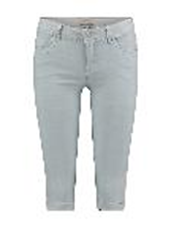 | Hailys | 121420 jeans | Modell: CR C JN Jenna | QI-0915258 | 63005 | lblue | XXL | 95 | 19.99 € | 1,899.05 € | 4060589147943 | 0.294 | 62046290900 | 76% CO, 22% PES, 2% EL | China | F/S
 | Hailys | 121420 jeans | Modell: CR C JN Jenna | QI-0915258-1 | 63005 | lblue | XS | 6 | 24.99 € | 149.94 € | 4063942435701 | 0.277 | 62046290900 | 76%Cotton,22%Polyester,2%Elastane | China | NOS FS
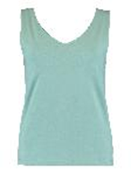 | Zabaione | 121140 top | Modell: Top Maxine | SYN-101-0047 | 50000 | green | L | 12 | 14.99 € | 179.88 € | 4063942722504 | 0.115 | 61091000900 | 92%Cotton,8%Elastane | Bangladesch | F/S
 | Zabaione | 121140 top | Modell: Top Maxine | SYN-101-0047 | 50000 | green | M | 12 | 14.99 € | 179.88 € | 4063942722498 | 0.115 | 61091000900 | 92%Cotton,8%Elastane | Bangladesch | F/S
 | Zabaione | 121140 top | Modell: Top Maxine | SYN-101-0047 | 50000 | green | S | 6 | 14.99 € | 89.94 € | 4063942722481 | 0.115 | 61091000900 | 92%Cotton,8%Elastane | Bangladesch | F/S
 | Zabaione | 121140 top | Modell: Top Maxine | SYN-101-0047 | 50000 | green | XL | 12 | 14.99 € | 179.88 € | 4063942722511 | 0.115 | 61091000900 | 92%Cotton,8%Elastane | Bangladesch | F/S
 | Zabaione | 121140 top | Modell: Top Maxine | SYN-101-0047 | 50000 | green | XXL | 6 | 14.99 € | 89.94 € | 4063942722528 | 0.115 | 61091000900 | 92%Cotton,8%Elastane | Bangladesch | F/S
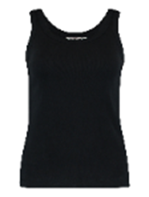 | Zabaione | 121140 top | Modell: Top Suri | SYN-101-0051 | 90001 | black | XL | 2 | 12.99 € | 25.98 € | 4063942770123 | 0.144 | 61091000900 | 100% Cotton | Bangladesch | NOS FS
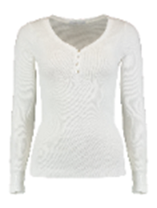
 | Hailys | 121125 t-shirt 1/1 | Modell: LS C TP Kora | SYN-2102009-1 | 12000 | offwhite | XXL | 52 | 14.99 € | 779.48 € | 4063942830087 | 0.15 | 61103099000 | 48%Cotton,47%Modal,5%Elastane | Bangladesch | NOS
 | Hailys | 121125 t-shirt 1/1 | Modell: LS C TP Kora | SYN-2102009-1 | 12000 | offwhite | XL | 123 | 14.99 € | 1,843.77 € | 4063942830070 | 0.15 | 61103099000 | 48%Cotton,47%Modal,5%Elastane | Bangladesch | NOS
 | Hailys | 121125 t-shirt 1/1 | Modell: LS C TP Kora | SYN-2102009-1 | 12000 | offwhite | L | 586 | 14.99 € | 8,784.14 € | 4063942830063 | 0.15 | 61103099000 | 48%Cotton,47%Modal,5%Elastane | Bangladesch | NOS
 | Hailys | 121125 t-shirt 1/1 | Modell: LS C TP Kora | SYN-2102009-1 | 12000 | offwhite | M | 492 | 14.99 € | 7,375.08 € | 4063942830056 | 0.15 | 61103099000 | 48%Cotton,47%Modal,5%Elastane | Bangladesch | NOS
 | Hailys | 121125 t-shirt 1/1 | Modell: LS C TP Kora | SYN-2102009-1 | 12000 | offwhite | S | 130 | 14.99 € | 1,948.70 € | 4063942830049 | 0.15 | 61103099000 | 48%Cotton,47%Modal,5%Elastane | Bangladesch | NOS
 | Hailys | 121125 t-shirt 1/1 | Modell: LS C TP Kora | SYN-2102009-1 | 12000 | offwhite | XS | 105 | 14.99 € | 1,573.95 € | 4063942830032 | 0.15 | 61103099000 | 48%Cotton,47%Modal,5%Elastane | Bangladesch | NOS
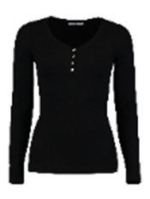 | Hailys | 121125 t-shirt 1/1 | Modell: LS C TP Kora | SYN-2102009-1 | 90001 | black | XXL | 47 | 14.99 € | 704.53 € | 4063942830025 | 0.16 | 61103099000 | 48%Cotton,47%Modal,5%Elastane | Bangladesch | NOS
 | Hailys | 121125 t-shirt 1/1 | Modell: LS C TP Kora | SYN-2102009-1 | 90001 | black | XL | 10 | 14.99 € | 149.90 € | 4063942830018 | 0.16 | 61103099000 | 48%Cotton,47%Modal,5%Elastane | Bangladesch | NOS
 | Hailys | 121125 t-shirt 1/1 | Modell: LS C TP Kora | SYN-2102009-1 | 90001 | black | L | 435 | 14.99 € | 6,520.65 € | 4063942830001 | 0.16 | 61103099000 | 48%Cotton,47%Modal,5%Elastane | Bangladesch | NOS
 | Hailys | 121125 t-shirt 1/1 | Modell: LS C TP Kora | SYN-2102009-1 | 90001 | black | M | 364 | 14.99 € | 5,456.36 € | 4063942829999 | 0.16 | 61103099000 | 48%Cotton,47%Modal,5%Elastane | Bangladesch | NOS
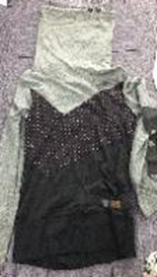 | Hailys SoPro | 121125 t-shirt 1/1 | Modell: LS C TP Clara | TL-SB1706049 | 80000 | grey | XL | 146 | 19.99 € | 2,918.54 € | 4060589022806 | 0.33 | 61091000100 | 50%Polyester,50%Cotton | China | F/S
 | Hailys SoPro | 121125 t-shirt 1/1 | Modell: LS C TP Clara | TL-SB1706049 | 80000 | grey | L | 154 | 19.99 € | 3,078.46 € | 4060589022790 | 0.33 | 61091000100 | 50%Polyester,50%Cotton | China | F/S
 | Hailys SoPro | 121125 t-shirt 1/1 | Modell: LS C TP Clara | TL-SB1706049 | 80000 | grey | M | 483 | 19.99 € | 9,655.17 € | 4060589022783 | 0.33 | 61091000100 | 50%Polyester,50%Cotton | China | F/S
 | Hailys SoPro | 121125 t-shirt 1/1 | Modell: LS C TP Clara | TL-SB1706049 | 80000 | grey | S | 374 | 19.99 € | 7,476.26 € | 4060589022776 | 0.33 | 61091000100 | 50%Polyester,50%Cotton | China | F/S
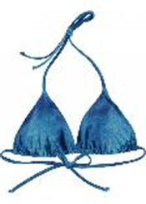 | Hailys | 141310 bikinis | Modell: SB Azur | TN-657452 | 60001 | blue | L | 2 | 9.99 € | 19.98 € | 4060589196613 | 0.077 | 62111200000 | 82%Polyamid,18%Elastane | China | F/S
 | Hailys | 141310 bikinis | Modell: SB Azur | TN-657452 | 60001 | blue | M | 4 | 9.99 € | 39.96 € | 4060589196606 | 0.077 | 62111200000 | 82%Polyamid,18%Elastane | China | F/S
 | Hailys | 141310 bikinis | Modell: SB Azur | TN-657452 | 60001 | blue | S | 2 | 9.99 € | 19.98 € | 4060589196590 | 0.077 | 62111200000 | 82%Polyamid,18%Elastane | China | F/S
 | Hailys | 141310 bikinis | Modell: SB Azur | TN-657452 | 60001 | blue | XL | 1 | 9.99 € | 9.99 € | 4060589196620 | 0.077 | 62111200000 | 82%Polyamid,18%Elastane | China | F/S
 | Hailys | 141310 bikinis | Modell: SB Azur | TN-657452 | 60001 | blue | XS | 1 | 9.99 € | 9.99 € | 4060589196583 | 0.077 | 62111200000 | 82%Polyamid,18%Elastane | China | F/S
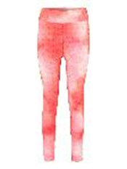 | Hailys | 121415 pants | Modell: LG P LG Coco | VE-HL-65A-1 | 1000050 | pink tie dye | L/XL | 345 | 17.99 € | 6,206.55 € | 4063942892191 | 0.214 | 61046300000 | 85%Polyamid,15%Elastan | China | F/S
 | Hailys | 121415 pants | Modell: LG P LG Coco | VE-HL-65A-1 | 1000050 | pink tie dye | S/M | 414 | 17.99 € | 7,447.86 € | 4063942892184 | 0.214 | 61046300000 | 85%Polyamid,15%Elastan | China | F/S
 | Hailys | 121420 jeans | Modell: LG HW C JN Romina | VF-1902062 | 10001 | white | XXL | 8 | 39.99 € | 319.92 € | 4060589987136 | 0.335 | 62046231900 | 65%Cotton,33%Polyester,2%Elastan | China | NOS
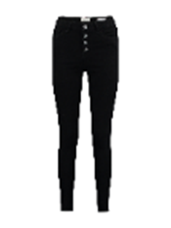 | Hailys | 121420 jeans | Modell: LG HW C JN Romina | VF-1902062-1 | 90001 | black | L | 9 | 39.99 € | 359.91 € | 4063942569727 | 0.42 | 62046231900 | 70%Cotton,28%Polyester,2%Elastan | China | NOS
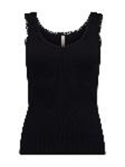 | Hailys | 121135 top | Modell: SL C TP Lona | WAL-1906039 | 63100 | navy | L | 2 | 9.99 € | 19.98 € | 4063942202549 | 0.087 | 61099020000 | 48%Cotton,47%Modal,5%Elastane | Bangladesch | H/W
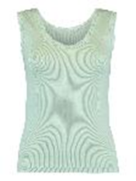 | Hailys | 121135 top | Modell: SL C TP Lona | WAL-1906039-1 | 1000100 | green tea | L | 2 | 9.99 € | 19.98 € | 4063942748160 | 0.083 | 61099020000 | 48%Cotton,47%Modal,5%Elastane | Bangladesch | NOS
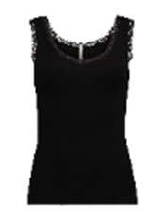 | Hailys | 121135 top | Modell: SL C TP Lona | WAL-1906039-1 | 90001 | black | M | 1 | 9.99 € | 9.99 € | 4063942223766 | 0.1 | 61099020000 | 48%Cotton,47%Modal,5%Elastane | Bangladesch | NOS
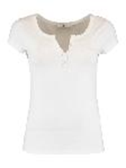
 | Hailys | 121130 t-shirt 1/2 | Modell: SS V TP Henna | WAL-1908075-1 | 10001 | white | XXL | 239 | 9.99 € | 2,387.61 € | 4063942749501 | 0.132 | 61099020000 | 95%Viscose,5%Elastane | Bangladesch | NOS
 | Hailys | 121130 t-shirt 1/2 | Modell: SS V TP Henna | WAL-1908075-1 | 10001 | white | XL | 326 | 9.99 € | 3,256.74 € | 4063942749495 | 0.132 | 61099020000 | 95%Viscose,5%Elastane | Bangladesch | NOS
 | Hailys | 121130 t-shirt 1/2 | Modell: SS V TP Henna | WAL-1908075-1 | 10001 | white | L | 630 | 9.99 € | 6,293.70 € | 4063942749488 | 0.132 | 61099020000 | 95%Viscose,5%Elastane | Bangladesch | NOS
 | Hailys | 121130 t-shirt 1/2 | Modell: SS V TP Henna | WAL-1908075-1 | 10001 | white | M | 790 | 9.99 € | 7,892.10 € | 4063942749471 | 0.132 | 61099020000 | 95%Viscose,5%Elastane | Bangladesch | NOS
 | Hailys | 121130 t-shirt 1/2 | Modell: SS V TP Henna | WAL-1908075-1 | 10001 | white | S | 764 | 9.99 € | 7,632.36 € | 4063942749464 | 0.132 | 61099020000 | 95%Viscose,5%Elastane | Bangladesch | NOS
 | Hailys | 121130 t-shirt 1/2 | Modell: SS V TP Henna | WAL-1908075-1 | 10001 | white | XS | 439 | 9.99 € | 4,385.61 € | 4063942749457 | 0.132 | 61099020000 | 95%Viscose,5%Elastane | Bangladesch | NOS
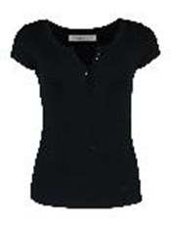 | Hailys | 121130 t-shirt 1/2 | Modell: SS V TP Henna | WAL-1908075-1 | 90001 | black | M | 222 | 9.99 € | 2,217.78 € | 4063942749419 | 0.137 | 61099020000 | 95%Viscose,5%Elastane | Bangladesch | NOS
 | Hailys | 121130 t-shirt 1/2 | Modell: SS V TP Henna | WAL-1908075-1 | 90001 | black | S | 491 | 9.99 € | 4,905.09 € | 4063942749402 | 0.137 | 61099020000 | 95%Viscose,5%Elastane | Bangladesch | NOS
 | Hailys | 121130 t-shirt 1/2 | Modell: SS V TP Henna | WAL-1908075-1 | 90001 | black | XS | 232 | 9.99 € | 2,317.68 € | 4063942749396 | 0.137 | 61099020000 | 95%Viscose,5%Elastane | Bangladesch | NOS
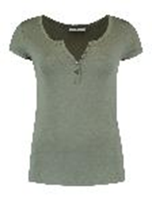 | Hailys | 121130 t-shirt 1/2 | Modell: SS V TP Henna | WAL-1908075-1 | 55000 | khaki | XL | 152 | 9.99 € | 1,518.48 € | 4063942749372 | 0.133 | 61099020000 | 95%Viscose,5%Elastane | Bangladesch | NOS
 | Hailys | 121130 t-shirt 1/2 | Modell: SS V TP Henna | WAL-1908075-1 | 55000 | khaki | M | 293 | 9.99 € | 2,927.07 € | 4063942749358 | 0.133 | 61099020000 | 95%Viscose,5%Elastane | Bangladesch | NOS
 | Hailys | 121130 t-shirt 1/2 | Modell: SS V TP Henna | WAL-1908075-1 | 55000 | khaki | S | 401 | 9.99 € | 4,005.99 € | 4063942749341 | 0.133 | 61099020000 | 95%Viscose,5%Elastane | Bangladesch | NOS
 | Hailys | 121130 t-shirt 1/2 | Modell: SS V TP Henna | WAL-1908075-1 | 55000 | khaki | XS | 125 | 9.99 € | 1,248.75 € | 4063942749334 | 0.133 | 61099020000 | 95%Viscose,5%Elastane | Bangladesch | NOS
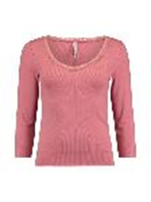 | Hailys | 121125 t-shirt 1/1 | Modell: 3/4 C TP Lona | WAL-2002049 | 999756 | dusty rose | XL | 3 | 12.99 € | 38.97 € | 4063942224725 | 0.17 | 61103099000 | 48%Cotton,47%Modal,5%Elastane | Bangladesch | NOS
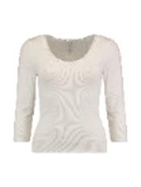 | Hailys | 121125 t-shirt 1/1 | Modell:3/4 C TP Lona Duo-Pack | WAL-2002049-Set2 | 12005 | offwhite/black | L | 2 | 24.99 € | 49.98 € | 4063942620435 | 0.33 | 61103099000 | 48%Cotton,47%Modal,5%Elastane | Bangladesch | NOS
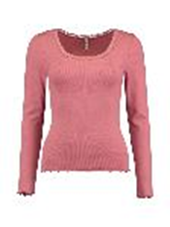 | Hailys | 121125 t-shirt 1/1 | Modell: LS C TP Linn | WAL-2002050 | 999756 | dusty rose | XL | 13 | 12.99 € | 168.87 € | 4063942229256 | 0.159 | 61103099000 | 48%Cotton,47%Modal,5%Elastane | Bangladesch | NOS
 | Hailys | 121125 t-shirt 1/1 | Modell: LS C TP Linn | WAL-2002050 | 999756 | dusty rose | S | 1 | 12.99 € | 12.99 € | 4063942229225 | 0.159 | 61103099000 | 48%Cotton,47%Modal,5%Elastane | Bangladesch | NOS
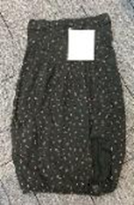 | Private Label (see notes) | 120015 dress short | T C DR Natalie | WT-SB1706039 | 83000 | dgrey | XXL | 6 | 5.99 € | 35.94 € | 4060589173959 | 0.235 | 61044200000 | 100% Cotton | China | F/S
 | Private Label (see notes) | 120015 dress short | T C DR Natalie | WT-SB1706039 | 83000 | dgrey | XL | 1 | 5.99 € | 5.99 € | 4060589173942 | 0.235 | 61044200000 | 100% Cotton | China | F/S
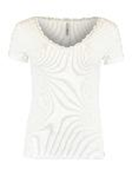 | Hailys | 121130 t-shirt 1/2 | Modell: SS V TP Mariella | YU-1908001-1 | 12000 | offwhite | S | 138 | 10.99 € | 1,516.62 € | 4063942714097 | 0.182 | 61099020000 | 96%Viscose,4%Elastane | China | NOS
 | Hailys | 121130 t-shirt 1/2 | Modell: SS V TP Mariella | YU-1908001-1 | 12000 | offwhite | M | 57 | 10.99 € | 626.43 € | 4063942714103 | 0.182 | 61099020000 | 96%Viscose,4%Elastane | China | NOS
 | Hailys | 121130 t-shirt 1/2 | Modell: SS V TP Mariella | YU-1908001-1 | 12000 | offwhite | XS | 85 | 10.99 € | 934.15 € | 4063942714080 | 0.182 | 61099020000 | 96%Viscose,4%Elastane | China | NOS
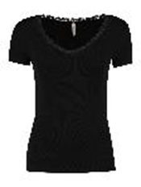 | Hailys | 121130 t-shirt 1/2 | Modell: SS V TP Mariella | YU-1908001-1 | 90001 | black | S | 120 | 10.99 € | 1,318.80 € | 4063942713977 | 0.175 | 61099020000 | 96%Viscose,4%Elastane | China | NOS
 | Hailys | 121130 t-shirt 1/2 | Modell: SS V TP Mariella | YU-1908001-1 | 90001 | black | L | 22 | 10.99 € | 241.78 € | 4063942713991 | 0.175 | 61099020000 | 96%Viscose,4%Elastane | China | NOS
 | Hailys | 121130 t-shirt 1/2 | Modell: SS V TP Mariella | YU-1908001-1 | 90001 | black | M | 89 | 10.99 € | 978.11 € | 4063942713984 | 0.175 | 61099020000 | 96%Viscose,4%Elastane | China | NOS
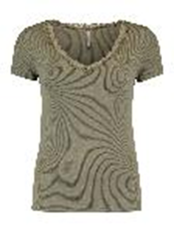 | Hailys | 121130 t-shirt 1/2 | Modell: SS V TP Mariella | YU-1908001-1 | 55000 | khaki | L | 6 | 10.99 € | 65.94 € | 4063942714059 | 0.175 | 61099020000 | 96%Viscose,4%Elastane | China | NOS
 | Hailys | 121130 t-shirt 1/2 | Modell: SS V TP Mariella | YU-1908001-1 | 55000 | khaki | M | 294 | 10.99 € | 3,231.06 € | 4063942714042 | 0.175 | 61099020000 | 96%Viscose,4%Elastane | China | NOS
 | Hailys | 121130 t-shirt 1/2 | Modell: SS V TP Mariella | YU-1908001-1 | 55000 | khaki | S | 292 | 10.99 € | 3,209.08 € | 4063942714035 | 0.175 | 61099020000 | 96%Viscose,4%Elastane | China | NOS
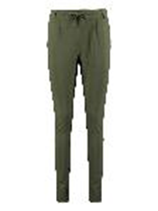
 | Hailys | 121415 pants | Modell: LG V TR Jana | YU-2103051 | 55000 | khaki | L | 372 | 24.99 € | 9,296.28 € | 4063942619361 | 0.376 | 61046900100 | 63%Viscose,32%Nylon,5%Elastane | China | NOS
 | Hailys | 121415 pants | Modell: LG V TR Jana | YU-2103051 | 55000 | khaki | M | 361 | 24.99 € | 9,021.39 € | 4063942619354 | 0.376 | 61046900100 | 63%Viscose,32%Nylon,5%Elastane | China | NOS
 | Hailys | 121415 pants | Modell: LG V TR Jana | YU-2103051 | 55000 | khaki | S | 380 | 24.99 € | 9,496.20 € | 4063942619347 | 0.376 | 61046900100 | 63%Viscose,32%Nylon,5%Elastane | China | NOS
 | Hailys | 121415 pants | Modell: LG V TR Jana | YU-2103051 | 90001 | black | S | 4 | 24.99 € | 99.96 € | 4063942619224 | 0.42 | 61046900100 | 63%Viscose,32%Nylon,5%Elastane | China | NOS
 | Hailys | 121415 pants | Modell: LG V TR Jana | YU-2103051 | 55000 | khaki | L | 444 | 24.99 € | 11,095.56 € | 4063942619361 | 0.376 | 61046900100 | 63%Viscose,32%Nylon,5%Elastane | China | NOS
 | Hailys | 121415 pants | Modell: LG V TR Jana | YU-2103051 | 55000 | khaki | M | 438 | 24.99 € | 10,945.62 € | 4063942619354 | 0.376 | 61046900100 | 63%Viscose,32%Nylon,5%Elastane | China | NOS
 | Hailys | 121415 pants | Modell: LG V TR Jana | YU-2103051 | 55000 | khaki | S | 226 | 24.99 € | 5,647.74 € | 4063942619347 | 0.376 | 61046900100 | 63%Viscose,32%Nylon,5%Elastane | China | NOS
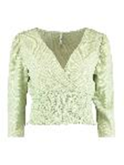
 | Hailys | 121125 t-shirt 1/1 | Modell: 3/4 P TP Vivi | YU-2108007 | 1000100 | green tea | L | 30 | 19.99 € | 599.70 € | 4063942775203 | 0.152 | 61062000000 | 99%Polyester,1%Elastane | China | F/S
 | Hailys | 121125 t-shirt 1/1 | Modell: 3/4 P TP Vivi | YU-2108007 | 1000100 | green tea | M | 30 | 19.99 € | 599.70 € | 4063942775197 | 0.152 | 61062000000 | 99%Polyester,1%Elastane | China | F/S
 | Hailys | 121125 t-shirt 1/1 | Modell: 3/4 P TP Vivi | YU-2108007 | 1000100 | green tea | S | 20 | 19.99 € | 399.80 € | 4063942775180 | 0.152 | 61062000000 | 99%Polyester,1%Elastane | China | F/S
 | Hailys | 121125 t-shirt 1/1 | Modell: 3/4 P TP Vivi | YU-2108007 | 1000100 | green tea | XL | 10 | 19.99 € | 199.90 € | 4063942775210 | 0.152 | 61062000000 | 99%Polyester,1%Elastane | China | F/S
 | Hailys | 121125 t-shirt 1/1 | Modell: 3/4 P TP Vivi | YU-2108007 | 1000100 | green tea | XS | 10 | 19.99 € | 199.90 € | 4063942775173 | 0.152 | 61062000000 | 99%Polyester,1%Elastane | China | F/S
 | Hailys | 121125 t-shirt 1/1 | Modell: 3/4 P TP Vivi | YU-2108007 | 1000100 | green tea | XXL | 10 | 19.99 € | 199.90 € | 4063942775227 | 0.152 | 61062000000 | 99%Polyester,1%Elastane | China | F/S

